1. Title Page
Grocery Sales Analysis

Project Name: Grocery Sales Analysis
Date: April 2024
Analyst Name: Emily Curcio

Contents:
Population Flow
Consistency checks
Wrangling steps
Column derivations
Visualizations
Recommendations

Data Citation: "The Instacart Online Grocery Shopping Dataset 2017", accessed from www.instacart.com/datasets/grocery-shopping-2017 via Kaggle on March 2024. Note: Prices and customer data were fabricated for the purpose of this educational project.

2. Population Flow
Title page

Population flow

Exclusion flag
Condition: max_order <
Obervations to be removed:
Final total count of order_products_all:

Orders_products_combined
Orders_products_merged
Orders_products_all

Total: 32,404,859
Total: 32,434,489
Total: 32,404,859

1.) The grey boxes in the first row of the population flow represent the original data sets as they were when you downloaded them. In the Total fields you need to add the count of the rows when you imported the data set into Jupyter.
2.) The second row of boxes (coloured) represents the data sets after you manipulated them, e.g., removed missing values and duplicates. In the Total fields you need to add the count of the rows after conducting these operations. This offers a visual oveview of how the data flows throughout the data consistency checks.
3.) The third row, where also the arrows are coloured, represents the merges you performed between the datasets. In the Total fields you need to add the count of the rows in the merged datasets, so that you end up with the final dataset (in the red box). Keep in mind the final dataset should be without exclusions (based on the exclusion flag).

3. Consistency checks
 |  |  |  | Title page
Consistency checks

Dataset | Missing values | Missing values treatment | Duplicates
orders | 206209 missing from days_since_prior_order | Replace with 0 | 0
products | 16 missing from product_name | Filter out | 5
orders_products_prior | 0 | N/A | 0
customers | 0 | N/A | 0

4. Wrangling steps
 |  |  |  | Title page
Wrangling steps

Columns dropped | Columns renamed | Columns' type changed | Comment/Reason
eval_set (orders) |  |  | Column contains system information that contains data for the entire data set, not useful for analysis.
 | order_dow -> orders_day_of_week (orders) |  | Changed to more intuitive name.
 |  | order_id (orders) | Changed from int to str because column acts as a key.
 |  | user_id (orders) | Changed from int to str because column acts as a key.
 | Surnam -> 'last_name (customers) |  | Changed to more intuitive name.
 |  | first_name (customers) | Changed from mixed data types to str.

5. Column derivations
 |  |  |  | Title page

Column derivations and aggregations

In this tab you should add tables below that the frequences of flags/label variables that you produced after deriving them. NB: don't do this for continuous variables, only for flags.
Dataset | New column | Column/s it was derived from | Conditions
ords_prods_merge | price_range | prices | If price <= 5, then 'Low-range product'. If price > 5 and <= 15, then 'Mid-range product'. If price > 15, then 'High-range product'
ords_prods_merge | busiest_day | orders_day_of_week | Busiest day of week is labeled 'Busiest day', least busy day of week is leabeled 'Least busy', all other days are labeled 'Regularly busy'
ords_prods_merge | busiest_days | orders_day_of_week | Busiest 2 days of week are labeled 'Busiest day', 2 least busy days of week are leabeled 'Least busy', all other days are labeled 'Regularly busy'
ords_prods_merge | busiest_period_of_day | order_hour_of_day | Busiest 6 hours of day are labeled 'Most orders', 6 least busy hours of day are labeled 'Fewest orders', all other hours of day are labeled 'Average orders'
ords_prods_merge | max_order | user_id & order_number | The max number of orders that user has made
ords_prods_merge | loyalty_flag | max_order | > 40 orders is 'Loyal customer'. > 10 and <= 40 orders is 'Regular customer'. <= 10 orders is 'New customer'.
ords_prods_merge | avg_item_spend | user_id & prices | The average price of products that a user has bought
ords_prods_merge | spending_flag | avg_item_spend | <10 dollars spent on average is 'Low spender'. >= 10 dollars spent on average is 'High spender'.
ords_prods_merge | median_days_since_prior_order | user_id & days_since_prior_order | The median number of days since last order for each user
ords_prods_merge | order_freq_flag | median_days_since_prior_order | <= 10 days is 'Frequent customer'. >10 and <= 20 days is 'Regular customer'. >20 days is 'Non-frequent customer'.

6. Visualizations
Title page

Visualisations

In this tab you should include all the visualtions from Exercises 4.9 and 4.10, alongside the questions from the project brief that they answer. Include any commentary on the relationship between different variables.

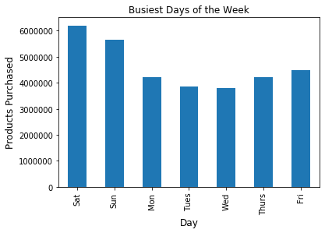
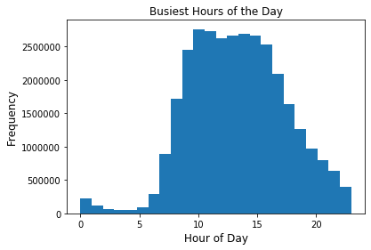
The weekends are the busiest days of the week, while Wed, Tues, Mon are the least busy, respectively. This makes sense as most people likely have more free time on the weekends, when there is no work or school.
Orders peak between about 10am and 5pm, and then gradually decrease. Orders are at their lowest between about 1am and 6am. This makes sense as some people may stay up late (until midnight) and place orders, however most people are likely sleeping between 1am and 6am. While most orders are during regular business hours, Instacart will have to consider that a substantial amount of orders are placed in the late afternoon/evening.

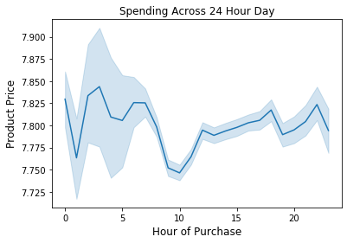
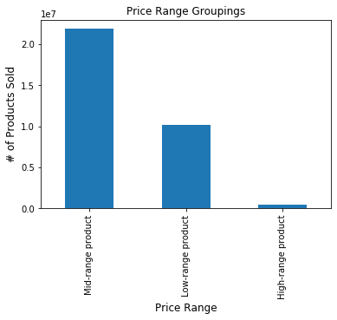

There is no particular time of day when more or less expensive products are purchased.
Here we have simplified product prices by grouping them into low, mid, and high range products. We can see that by far the majority of products are mid-range, with very few high-range products.

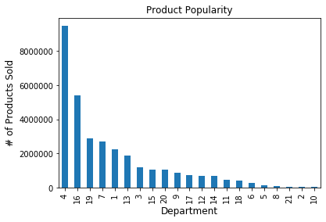

When referencing our data dictionary to the right, we can identify department 4, produce, as the most popular type of product by far. Followed by dairy and eggs, then snacks.
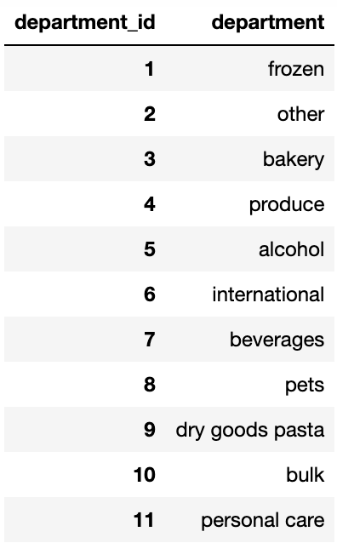

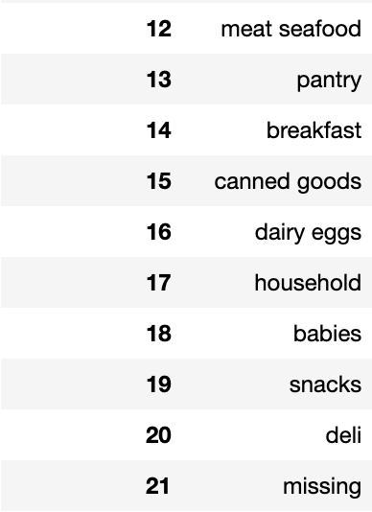

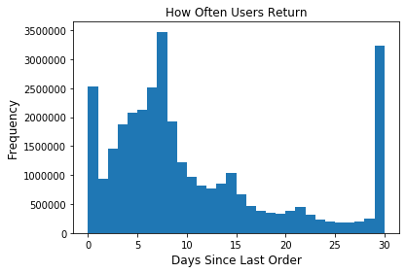
Users will typically return the same day, between 5 and 10 days later, or 30 days later (which may indicate no return). The users returning right away may have different shopping habits, where they will purchase items as needed instead of shopping for the whole week at once. Compared to users who return in 5 to 10 days, who are likely shopping for an entire week of groceries at once.

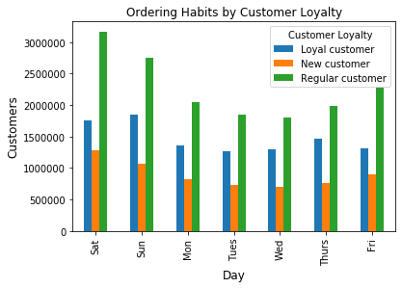
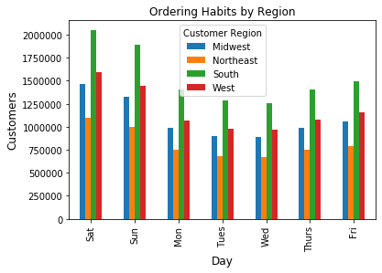
Looking at the ordering habit of what day of week most users buy groceries, we can see that regardless of whether the customer is loyal or new, the most popular days of the week to shop remain the same.
Similarly, we can see that regardless of what region the customer is located in, the most popular days of the week to shop remain the same.

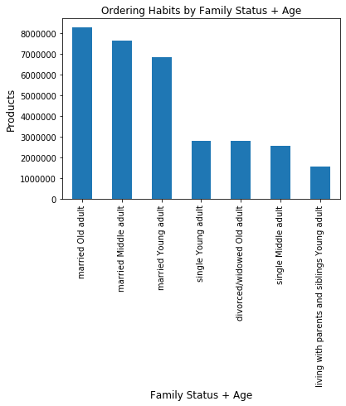

Married families with users of all ages order the most groceries by far. Single families order the next highest amount, with no old aged single users, and no major differences between young and middle aged single users. Not surprisingly, young adult users living with their parents order the least groceries, likely because their parents are doing at least some of the grocery shopping.

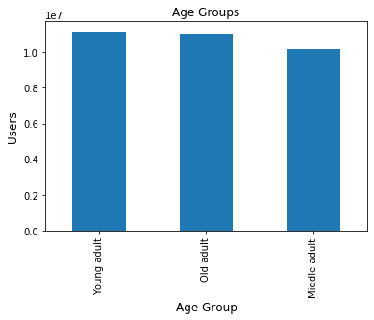
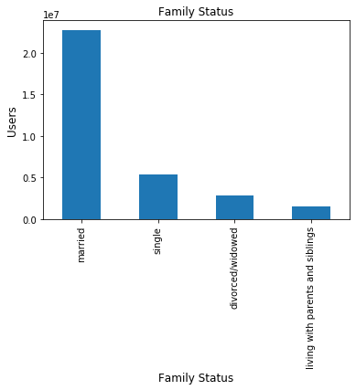
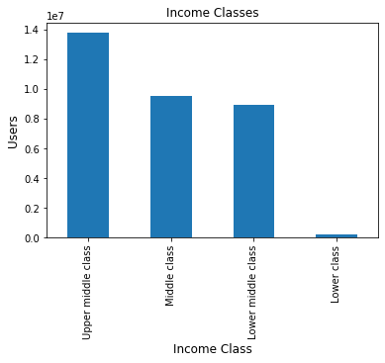
Looking at demographic information, we can see that the age of users is distributed fairly evenly. There is a large majority of married families. The majority of users are upper middle class, and there are very few lower class users.

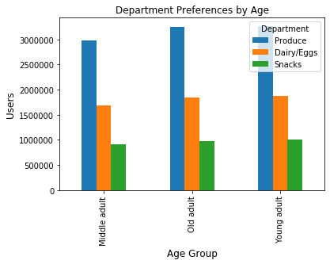
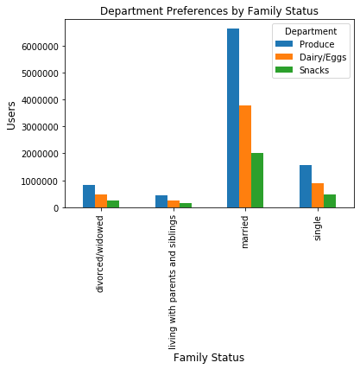
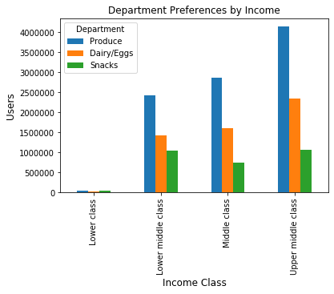
Regardless of age, family status, or income, produce is consistently the top purchased from department, followed by dairy/eggs, and then snacks.

7. Recommendations
 |  | Title page

Recommendations

In this tab you should include any recommendations you would made to Instcart in terms of their marketing strategy based on the questions posed in the brief. Every key question has been covered in the Tasks of the Exercises - here you need to add an item - a visualisation or table/crosstable that is showing the answer in the data, acompanied by a comment from you. Please, list the questions below and add the answer underneath.

Question | Answer
What are the busiest days of the week? Hours of the day? This way we can schedule ads at times when there are fewer orders. | Friday through Sunday and about 10am to 5pm are the busiest times.
Are there hours of the day when people spend the most money? This might inform the type of products they advertise at these times. | There is no particular time of day when more or less expensive products are purchased.
Can we simplify the price range groupings? | Grouped into low, mid, and high range products. There are the most mid-range, followed by low-range, and then high-range.
Are there certain types of products that are more popular than others? Which departments have the highest frequency of product orders? | Produce is by far the most popular type of product, followed by dairy and eggs, and then snacks.
What is the distribution among users in regards to their brand loyalty (i.e. how often do they return to Instacart?) | We see most users return between 5 and 10 days later, followed by 30 days later (or no return), followed by returning the same day.
Are there differences in ordering habits based on a customer's loyalty status? | Regardless of whether the customer is loyal or new, the most popular days of the week to shop remain the same. No other distinguishing ordering habits related to customer loyalty were found.
Are there differences in ordering habits based on a customer's region? | Regardless of where the customer is located, the most popular days of the week to shop remain the same. No other distinguishing ordering habits related to region were found.
Is there a connection between age and family status in terms of ordering habits? | Married adults across ages are ordering the most groceries by far.
What different classifications does the demographic information suggest? (Consider age, income, types of goods, family status, etc.) | Users are all ages, majority married, and majority upper middle class.
What differences can you find in ordering habits of different customer profiles? (Consider price of orders, frequency of orders, products ordered, etc.) | Regardless of age, family status, or income, produce is consistently the top purchased department, followed by dairy/eggs, and then snacks. Similarly, regardless of age, family status, or income, mid-range products are the most purchased, followed by low-range products, and lastly high-range products are the least purchased.

